Solution
Sample Solution |  |  |  | Test of 019/12/2014
 |  |  |  | Matricula = |  | A | B | C | D | E | F
 |  |  |  |  |  | 1 | 2 | 3 | 4 | 5 | 6

1) - DISIA - A train passage was recorded, with a total duration of 70+F s and an Leq = 65+E dB(A). The train was long 100+D*20 m. Compute the value of the Normalized SEL to be stored in the DISIA database
T = | 76 | s | L = | 180 | m
Leq = | 70 | dB(A) | SEL = | 86.255410872 | dB(A)

2) - DISIA - The traffic during the day period along a road (no slope and normal pavement) is the following: (10+F)*1000 cars, (10+E)*3000 heavy trucks, (10+D)*100 motorcycles. The SEL values are 80+A, 85+B and 90+D dB(A) respectively. Compute Leq,7.5m.
Ncars = | 16000 | Ntrucks = | 45000 | Nbikes = | 1400 |  | Leq = | 86.880418497 | dB(A)
SELcars = | 81 | SELtrucks = | 87 | SELbike= | 94

3) - RAMSETE - Compute the critical time tc for a pyramid tracing simulation inside a room having a volume V=500+EF m³, a surface S=400+D*10 m², launching 8192 pyramids with the standard value of β=0.1
V = | 556 | mc | Npyr = | 8192 | lmfp = | 5.0545454545 | m
S = | 440 | mq | Beta = | 0.1 | tc = | 2.127493126 | s

4) RAMSETE - Compute the number of pyramids being launched when the subdivision level is set to 5+F
N = | 11 |  | Npyr = | 16384
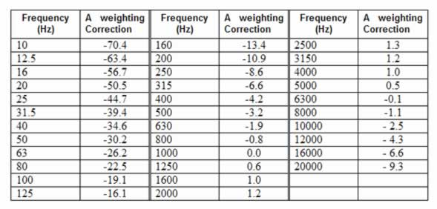

5) Compute the total SPL in dB(A) of a white spectrum in octave bands ranging between 31 Hz (where the SPL is 60+F dB) and 16 kHz (10 octave bands)
f (Hz) | 31.5 | 63 | 125 | 250 | 500 | 1k | 2k | 4k | 8k | 16k
SPL (dB) | 66 | 69 | 72 | 75 | 78 | 81 | 84 | 87 | 90 | 93 | SPL,tot = | 93.684202567 | dB(A)
Aweight | -39.4 | -26.2 | -16.1 | -8.6 | -3.2 | 0 | 1.2 | 1 | -1.1 | -6.6
SPL (dBA) | 26.6 | 42.8 | 55.9 | 66.4 | 74.8 | 81 | 85.2 | 88 | 88.9 | 86.4 | SPL,tot = | 93.684202567 | dB(A)
Energy | 457.08818961 | 19054.60718 | 389045.14499 | 4365158.3224 | 30199517.204 | 125892541.18 | 331131121.48 | 630957344.48 | 776247116.63 | 436515832.24

6) Compute the value of Leq at the end of a measurement, during which the SPL was 60+F dB(A) for 1+D hours and 65+E dB(A) for 2+C/3 hours
SPL1 = | 66 | dB(A) | SPL2 = | 70 | dB(A) | Leq = | 67.95057193 | dB(A)
T1 = | 5 | h | T2 = | 3 | h

7) Compute the SPL inside a room having a volume V=300+D*20 m³, a reverberation time of 1+F/10s, where a point source is located in a corner, with an Lw=90+E dB, and the receiver is at the critical distance.
V = | 380 | mc | Lw = | 95 | dB
T = | 1.6 | s | Lriv = | 85.222763947 | dB
A = | 38 | mq | Ltot = | 88.222763947 | dB

8) Compute the sound reduction in dB caused by a noise screen having an effective height of 3+F/10 m, placed at the center point between source and receiver, which are distant 10+E m. The sound has a dominant frequency of 100*(1+D) Hz.
heff = | 3.6 | m | delta = | 1.6385095486 | m | Delta L = | 19.973117293 | dB
d = | 15 | m | Freq = | 500 | Hz

9) Compute the value of Clarity C80 in a simplified case where the direct sound has an SPL=80+F dB and the reverberant sound (which starts after 80 ms) has an SPL=80+E dB
SPLdir = | 86 | dB | C80 = | 1 | dB
SPLrev = | 85 | dB

10) The anechoic impulse response of a loudspeaker is measured, and a numerical inverse FIR filter is computed, having a length of 2^(5+F) samples at Fsamp=48 kHz. The main peak of the inverse filter is in the middle. How much latency (in ms) is caused by the usage of this digital filter employing a zero-latency DSP processor?
Lfilter = | 2048 | samples
Delay = | 21.354166667 | ms

