Sheet1
Diffusione del vapore in parete monostrato

pv,i = | 933.6 | Pa
pv,e = | 611 | Pa
Dv = | 2.34E-11 | kg/(smPa)
Interno
Ti = 20°C
φi = 0.4 (40%)
pv,i = φi * psat(20°C)
Esterno
Te = 0°C
φe = 1 (100%)
pv,e = φe * psat(0°C)
L = | 0.2 | m

L
j = | 3.780872E-08 | kg/m2s
 | 0.03780872 | mg/m2s
 | 136.111392 | mg/m2h
 |  |  | p*v = R*T | rho = 1/v = p/RT
V = | 1 | m3
Maria = | 1.193842385 | kg | rhoaria = | 1.193842385 | kg/m3 | =pa/RaT
Macqua= | 0.006904329627 | kg | rhoacqua = | 0.006904329627 | kg/m3 | =pv/RvT

rho = M/V

Sheet2
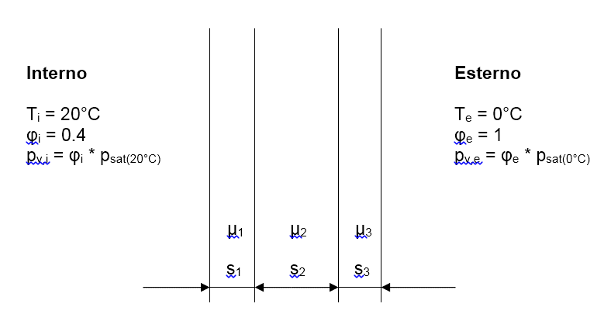

 |  |  |  |  |  |  |  | Mu*s
s1 = | 0.05 | m | Mu1 = | 5 | Lambda1 = | 1.2 | W/mK | 0.25
s2 = | 0.1 | m | Mu2 = | 10 | Lambda2 = | 0.05 | W/mK | 1
s3 = | 0.05 | m | Mu3 = | 20 | Lambda3 = | 1.5 | W/mK | 1
hin = | 8 | W/m2K
hout = | 20 | W/m2K
Tin = | 20 | °C | Tout = | 0 | °C | S = | 10 | m2
Phi,in = | 0.4 |  | Phi,out = | 1
Psat,in = | 2334 | Pa | Psat,out = | 611 | Pa
Pv,in = | 933.6 | Pa | Pv,out = | 611 | Pa

 |  |  |  |  | Qpunto = | 88.888888889 | W

T,in | 20 | °C | Psat = | 2334 | Pa
Tp,in = | 18.9 | °C | Psat = | 2184.5 | Pa | pv,in = | 933.6 | Pa
T1 = | 18.5 | °C | Psat = | 2131.1 | Pa | pv1 = | 897.75555556 | Pa
T2 = | 0.7 | °C | Psat = | 643.3 | Pa | pv2 = | 754.37777778 | Pa
Tp,out = | 0.4 | °C | Psat = | 629.6 | Pa | pv,out = | 611 | Pa
T,out = | 0.0 | °C |  | 611.2 | Pa

JA = | 0.00096063111111 | kg/h
JA = | 0.96063111111 | g/h |  | Ja = 0

psat,in = | 2334
 |  | 2184.5
 |  | 2131.1

 | Ja,in |  |  |  |  |  |  | Ja,out

pv,in = | 933.6

 |  | 643.3
 |  | 629.6 |  |  |  |  |  | pv,out = | 611

 | Ja,cond = Ja,in - Ja,out

 |  |  | = | 0.001556008 | kg/h

 |  |  | = | 0.00021641 | kg/h

 |  |  | Jcond = | 0.001339598 | kg/h

