Sheet1
Large and short factory

 |  |  |  |  |  |  |  | H = | 7 | m

 |  |  |  |  |  |  |  | B = | 60 | m

 |  |  |  | A = | 100 | m

Volume V = |  | 42000 | m3 | d = | 4 | m
Alpha_med = |  | 0.1 |  | S = 2*pi*d^2 = |  | 100.53096491 | m2
Stot = |  | 14240 | m2
Atot = Alpha_med*Stot = |  | 1424 | m2 | K2,teor |  | = | 1.0802024159 | dB
Sabine's formula | T60 = | 4.7191011236 | s
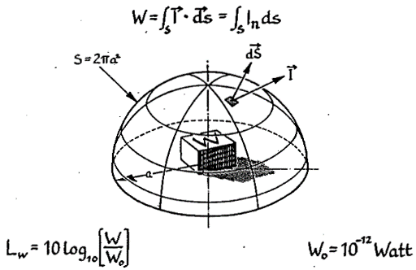
 |  |  |  | K2,Farina= |  |  |  |  | = | 4.6848528676 | dB

 |  |  |  | After room treatment
 |  |  |  | N = | 5000 | baffles
 |  |  |  | Abaffle = | 1 | m2
 |  |  |  | Alpha,baffle= |  | 0.8
 |  |  |  | A_add = N*Ab*Alpha_b = |  |  | 4000 | m2
 |  |  |  | A_2 = Atot+A_add = |  |  | 5424 | m2 | T_2 = | 1.2389380531 | s

 |  |  |  | K2,teor |  | = | 0.31060032353 | dB | 0.76960209235 | reduction

 |  |  |  | K2,Farina= |  |  |  |  | = | 2.94189475 | dB | 1.7429581176

