Sheet1
ISO 354 - reverberant room method

 |  | V = | 300 | m3

 |  | Te = | 7 | s

 |  | S = | 12 | m2

 |  | Ts = | 2.3 | s

 |  | Compute Alpha

 |  |  |  |  | = | 1.1677018634

Kundt's tube
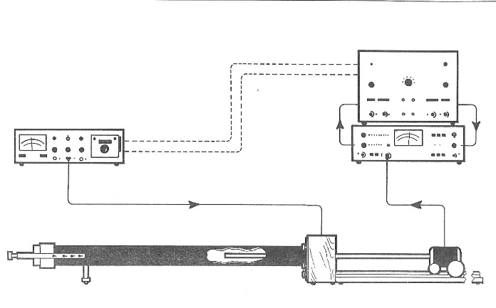
 | Lpmax = | 88 | dB | pmax = 20E-6*10^(Lpmax/20) = |  |  | 0.5023772863 | Pa
 | Lpmin = | 81 | dB | pmin = 20E-6*10^(Lpmin/20) = |  |  | 0.22440369086 | Pa

 | SWR = pmax/pmin = |  |  | 2.2387211386
 | Alpha = 1 -((SWR-1)/(SWR+1))^2 = |  |  |  | 0.85371493604

