Sheet1
Absorption Coefficients

ISO 354 reverberant room

Te = | 10 | s
Ts = | 4 | s
S = | 10 | m2
V = | 250 | m3

 |  | = | 0.6

Kundt' tube
Lpmax = | 94 | dB
Lpmin = | 87 | dB
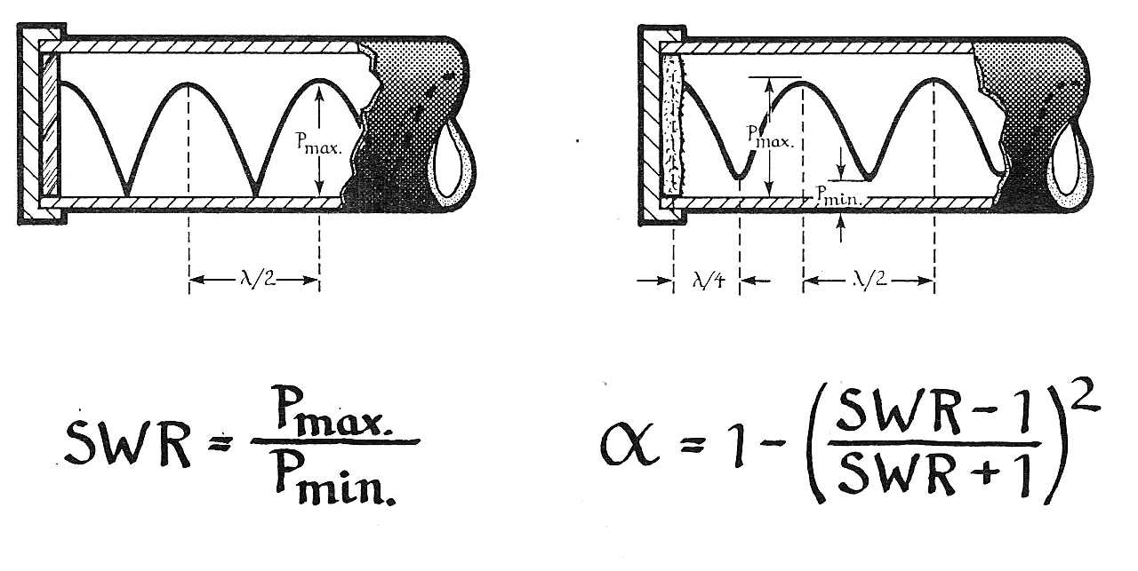

SWR = 10^((Lpmax-Lpmin)/20) = |  |  |  | 2.2387211386
Alpha = 1-((SWR-1)/(SWR+1))^2 = |  |  |  | 0.85371493604

Itensity method
Li = | 88 | dB
Ld = | 92 | dB

rE = Itot/(ED*c) = 10^((Li-Ld)/10) = |  |  |  | 0.39810717055
Alpha = 1-r = 1- (1-rE)/(1+rE) = |  |  |  | 0.5694944979

